Sheet1
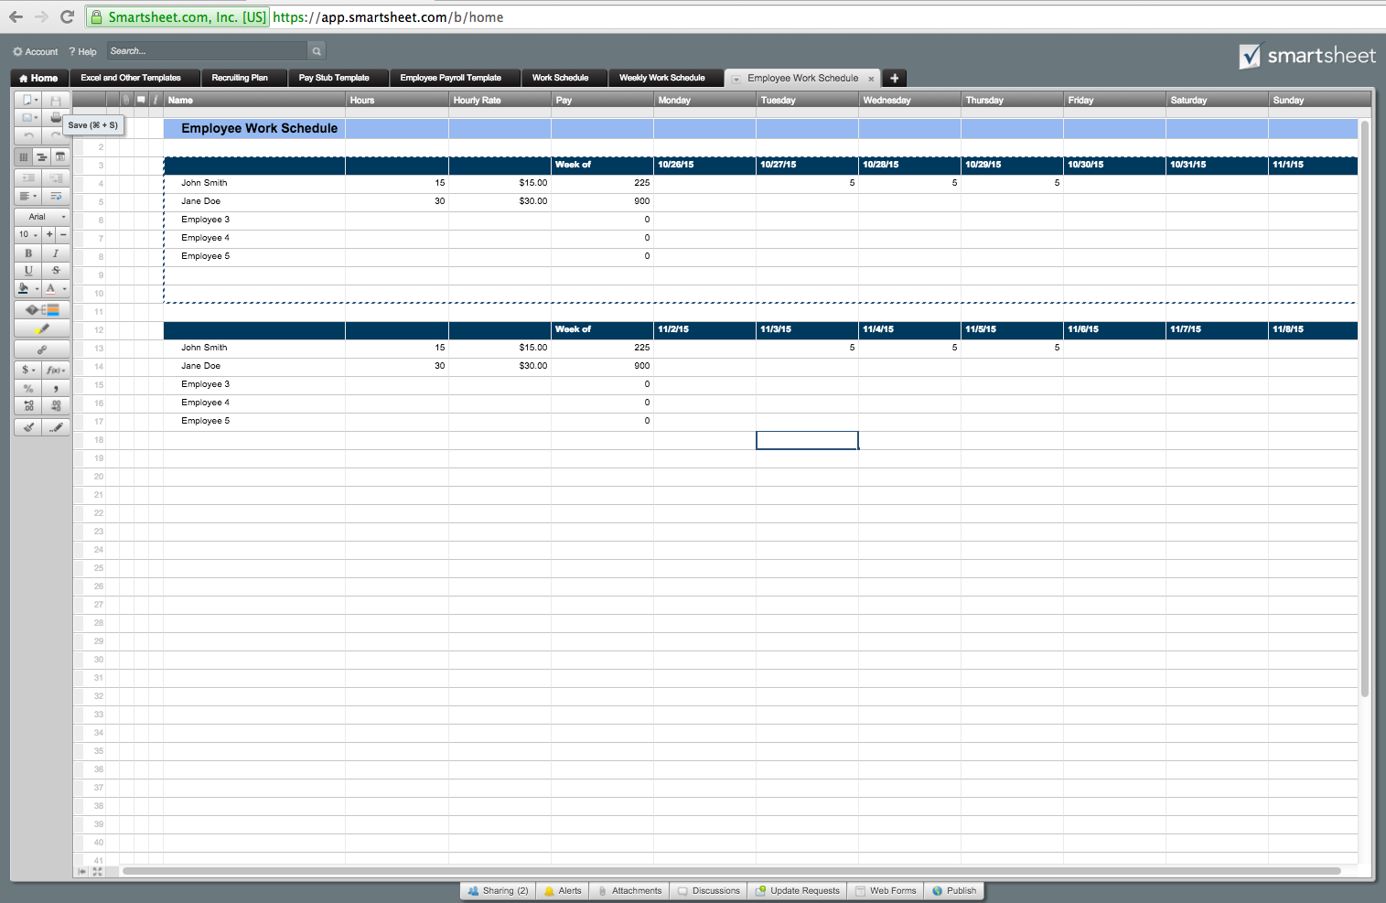
Employee Schedule Template

Name | Hours | Hourly Rate | Pay | Monday | Tuesday | Wednesday | Thursday | Friday | Saturday | Sunday
 |  |  |  | 2015-10-26 | 2015-10-27 | 2015-10-28 | 2015-10-29 | 2015-10-30 | 2015-10-31 | 2015-11-01
Employee 1
Employee 2
Employee 3
Employee 4
Employee 5
Employee 6
Employee 7
Employee 8
Employee 9
Employee 10

Name | Hours | Hourly Rate | Pay | Monday | Tuesday | Wednesday | Thursday | Friday | Saturday | Sunday
 |  |  |  | 2015-11-02 | 2015-11-03 | 2015-11-04 | 2015-11-05 | 2015-11-06 | 2015-11-07 | 2015-11-08
Employee 1
Employee 2
Employee 3
Employee 4
Employee 5
Employee 6
Employee 7
Employee 8
Employee 9
Employee 10

Or, Click Here to Create Your Employee Schedule Template in Smartsheet

